Sheet1
strata_id | strata | pop_size | sample_size | weighted_sample_size | quota |  |  | current | weight |  |  |  | current | weight |  |  |  | current | weight
1 | 1-B-F | 16642 | 1262 | 1262 | 21 | <45 | 131904 | 43.80% | 0.75 | B | 62147 | 15.7% | 7.7% | 2.04 | F | 184451 | 46.6% | 61.96% | 0.75
2 | 1-B-M | 12712 | 964 | 964 | 16 | 45-60 | 131903 | 44.90% | 0.73 | H | 37970 | 9.6% | 8.8% | 1.10 | M | 211259 | 53.4% | 38.04% | 1.44
3 | 1-H-F | 8779 | 666 | 666 | 11 | 60+ | 131903 | 11.20% | 2.95 | W | 221308 | 55.9% | 76.9% | 0.73
4 | 1-H-M | 11275 | 855 | 855 | 14 |  |  |  |  | O | 74285 | 18.8% | 6.6% | 2.85
5 | 1-O-F | 3240 | 246 | 246 | 4
6 | 1-O-M | 3632 | 275 | 275 | 5 |  |  |  |  |  |  |  |  |  | 1-B-F | 1.2
7 | 1-W-F | 28502 | 2161 | 2161 | 36 |  |  |  |  |  |  |  |  |  | 1-B-M | 2.2
8 | 1-W-M | 47122 | 3572 | 3572 | 60 |  |  |  |  |  |  |  |  |  | 1-H-F | 0.6
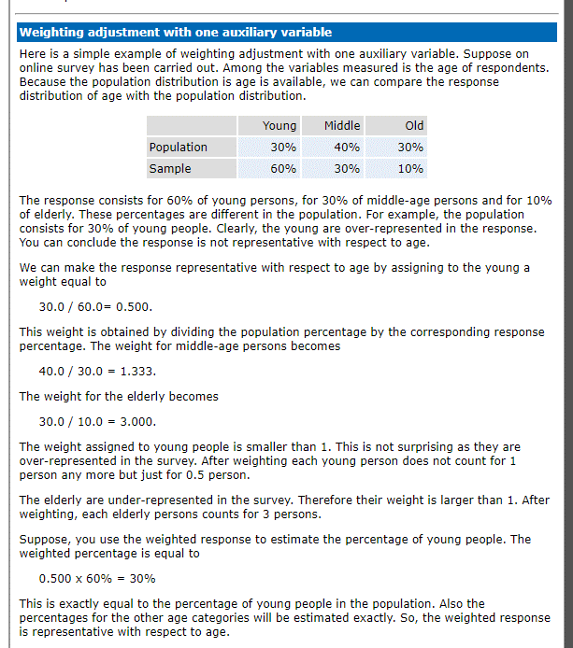
9 | 2-B-F | 14170 | 1074 | 1074 | 18 |  |  |  |  |  |  |  |  |  | 1-H-M | 1.2
10 | 2-B-M | 8854 | 671 | 671 | 11 |  |  |  |  |  |  |  |  |  | 1-O-F | 1.6
11 | 2-H-F | 5834 | 442 | 442 | 7 |  |  |  |  |  |  |  |  |  | 1-O-M | 3.1
12 | 2-H-M | 6480 | 491 | 491 | 8 |  |  |  |  |  |  |  |  |  | 1-W-F | 0.4
13 | 2-O-F | 2968 | 225 | 225 | 4 |  |  |  |  |  |  |  |  |  | 1-W-M | 0.8
14 | 2-O-M | 2895 | 219 | 219 | 4 |  |  |  |  |  |  |  |  |  | 2-B-F | 1.1
15 | 2-W-F | 38227 | 2898 | 2898 | 48 |  |  |  |  |  |  |  |  |  | 2-B-M | 2.2
16 | 2-W-M | 52475 | 3978 | 3978 | 66 |  |  |  |  |  |  |  |  |  | 2-H-F | 0.6
17 | 3-B-F | 6361 | 482 | 482 | 8 |  |  |  |  |  |  |  |  |  | 2-H-M | 1.2
18 | 3-B-M | 3408 | 258 | 258 | 4 |  |  |  |  |  |  |  |  |  | 2-O-F | 1.6
19 | 3-H-F | 2755 | 209 | 209 | 3 |  |  |  |  |  |  |  |  |  | 2-O-M | 3.0
20 | 3-H-M | 2847 | 216 | 216 | 4 |  |  |  |  |  |  |  |  |  | 2-W-F | 0.4
21 | 3-O-F | 30935 | 2345 | 2345 | 39 |  |  |  |  |  |  |  |  |  | 2-W-M | 0.8
22 | 3-O-M | 30615 | 2321 | 2321 | 39 |  |  |  |  |  |  |  |  |  | 3-B-F | 4.5
23 | 3-W-F | 26038 | 1974 | 1974 | 33 |  |  |  |  |  |  |  |  |  | 3-B-M | 8.7
24 | 3-W-M | 28944 | 2194 | 2194 | 37 |  |  |  |  |  |  |  |  |  | 3-H-F | 2.4
 |  |  |  |  |  |  |  |  |  |  |  |  |  |  | 3-H-M | 4.7
 |  |  |  |  |  |  |  |  |  |  |  |  |  |  | 3-O-F | 6.3
 |  |  |  |  |  |  |  |  |  |  |  |  |  |  | 3-O-M | 12.1
 |  |  |  |  |  |  |  |  |  |  |  |  |  |  | 3-W-F | 1.6
 |  |  |  |  |  |  |  |  |  |  |  |  |  |  | 3-W-M | 3.1

Sheet2
F | 243895
M | 265235
U | 98483

asian | 11027 | 1.8%
black | 82174 | 13.5%
caucasian | 363654 | 59.8%
hispanic | 47037 | 7.7%
nativeAmerican | 157 | 0.0%
other | 1651 | 0.3%
unknown | 6581 | 1.1%
 | 95332 | 15.7%

